Sheet1
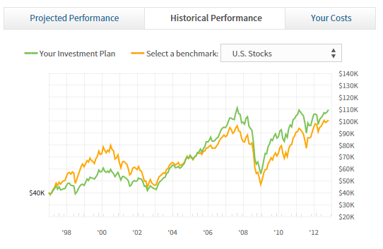
Benchmark
 | Benchmark portfolio value = Amount allocated
 | Find Benchmark closing price
 | Find benchmark units acquired = FLOOR(Amount allocated / Benchmark closing price)

 | On day of withdrawal adjust benchmark units acquired
 | Number of units to be reduced = FLOOR(Amount withdrawn / Benchmark closing price)
 | Benchmark units = Benchmark acquired units - Number of units to be reduced

 | For all other days
 | Find benchmark closing price
 | Benchmark Portfolio value = acquired units x Benchmark closing price

Recommended
 | Recommended portfolio value = Amount allocated
 | For each security in the recommended portfolio:
 | Find closing price of each security in the portfolio
 | Find units for each individual security acquired = FLOOR(Amount allocated x Percentage allocated for security / security closing price)

 | On day of withdrawal adjust security units
 | For each security in the recommended portfolio:
 | Number of units of individual securities to be reduced = FLOOR(Amount withdrawn x Percentage allocated for security / Security closing price)
 | Security units = Security units - Number of units of secuirty to be reduced

 | For all other days
 | Recommended Portfolio value = 0
 | For each security in the recommended portfolio:
 | Recommended Portfolio value = Recommended Portfolio value + security units x security closing price | http://www.flotcharts.org/flot/examples/series-toggle/index.html

 |  | http://www.flotcharts.org/flot/examples/selection/index.html
Self Portfolio Value
 | Self Portfolio value = 0 | http://www.flotcharts.org/flot/examples/interacting/index.html
 | For each security in the self portfolio:
 | Self Portfolio value = Self Portfolio value + security units from backend x security price from backend | http://www.flotcharts.org/flot/examples/resize/index.html

 |  | http://www.flotcharts.org/flot/examples/navigate/index.html for horizontal scrolling

